SCRIPT
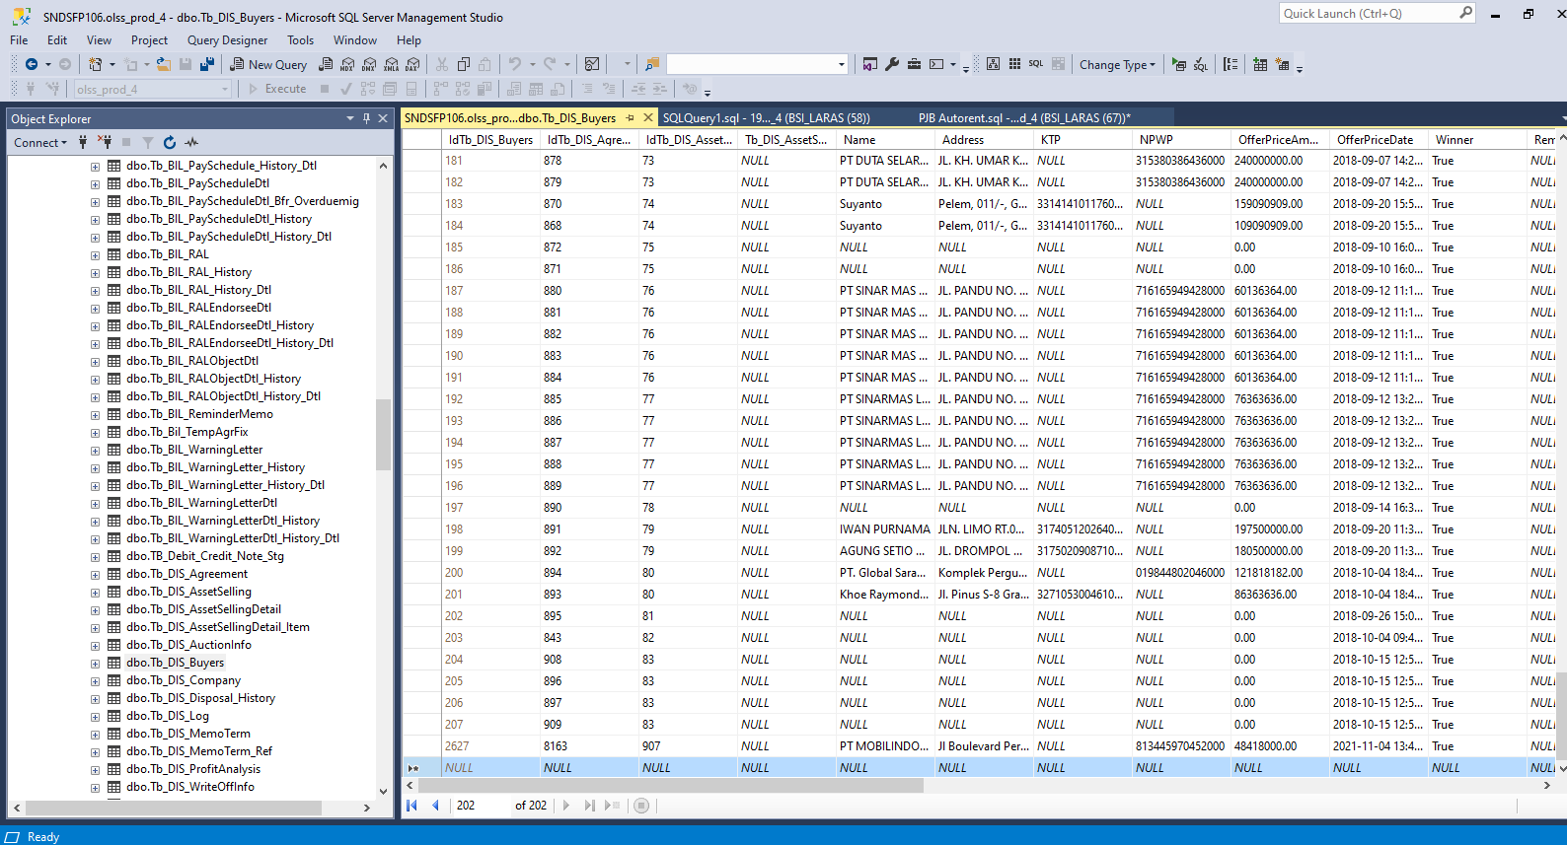
INSERT TB_DIS_BUYERS

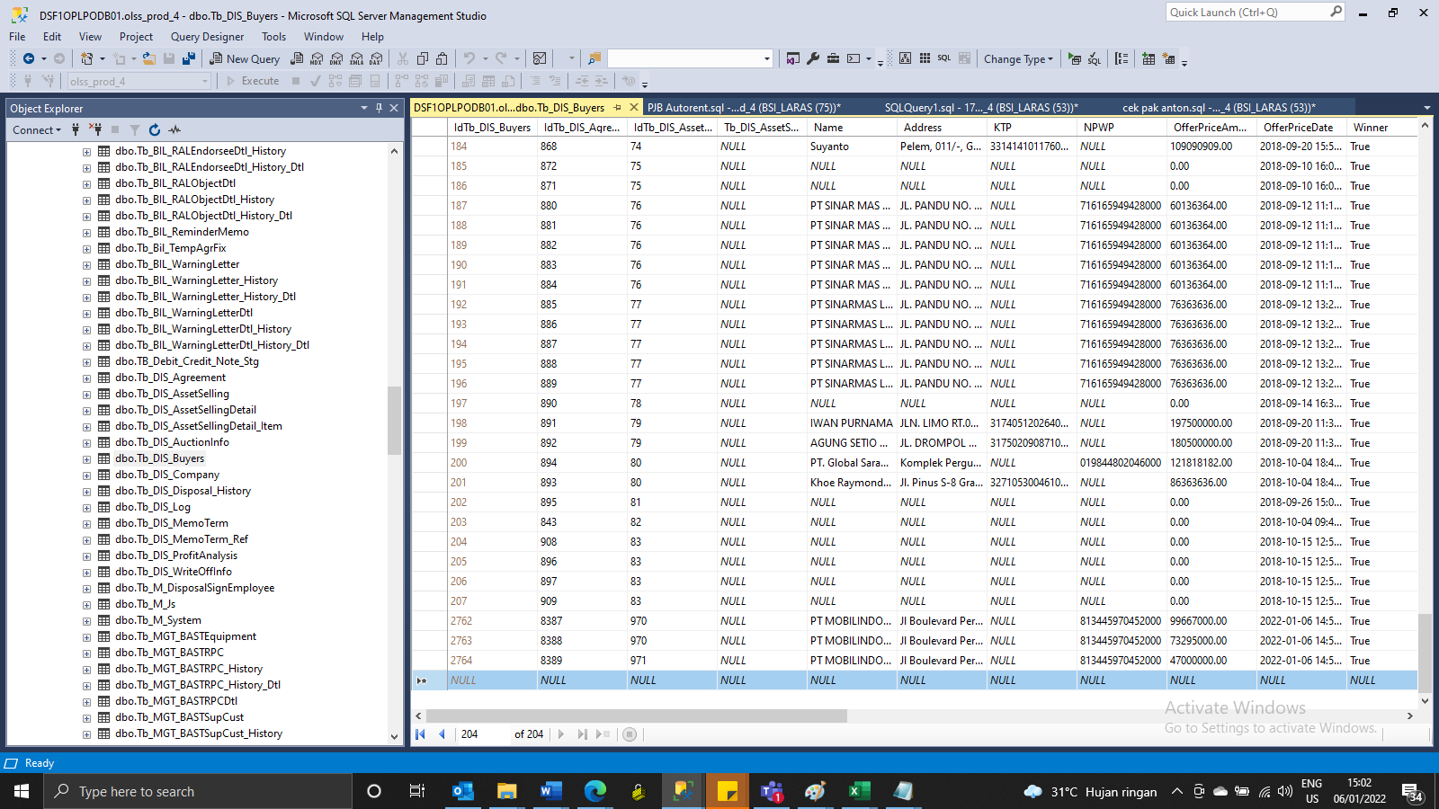

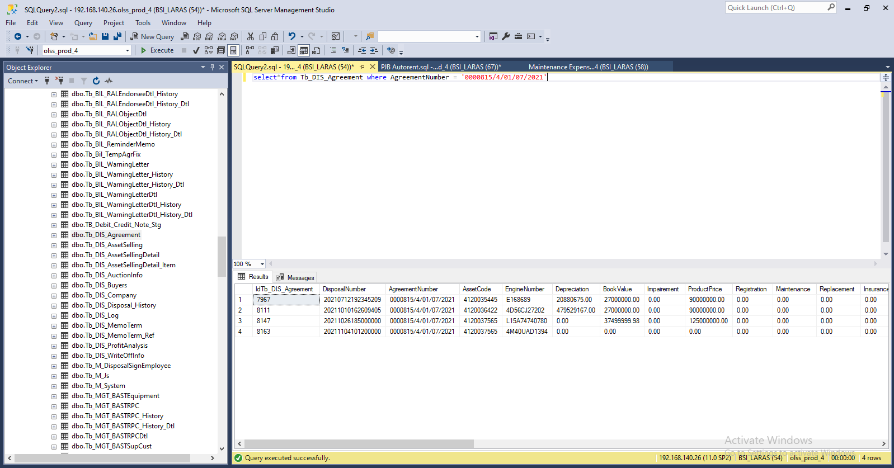

Insert TB_DIS_BUYERS

SCREENSHOOT
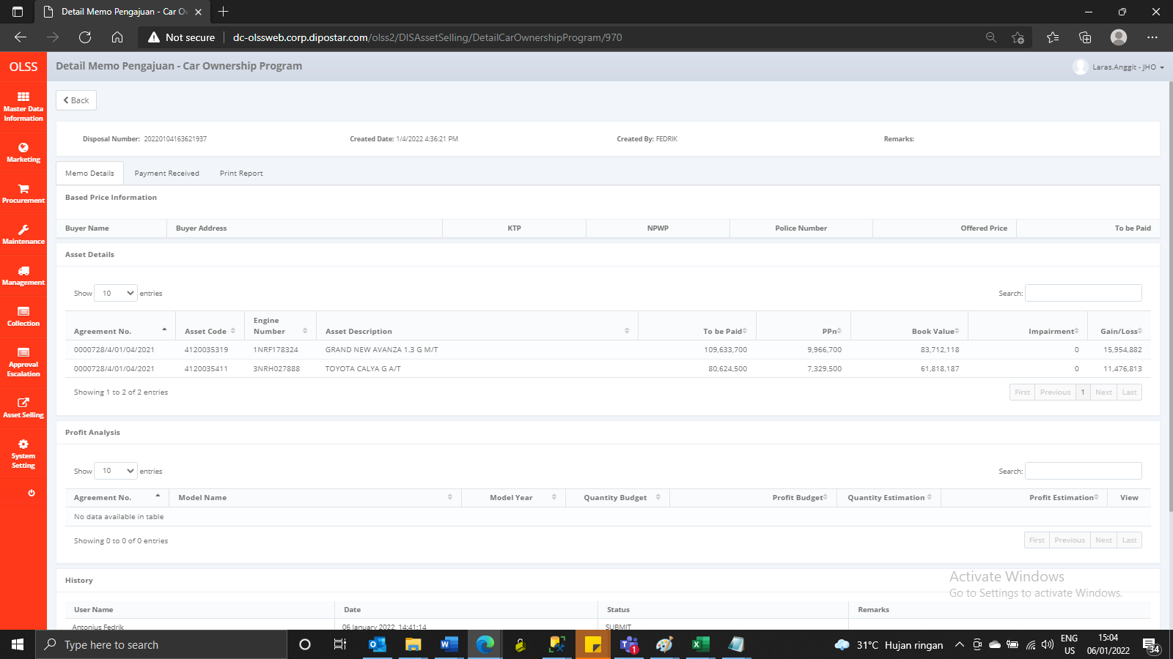
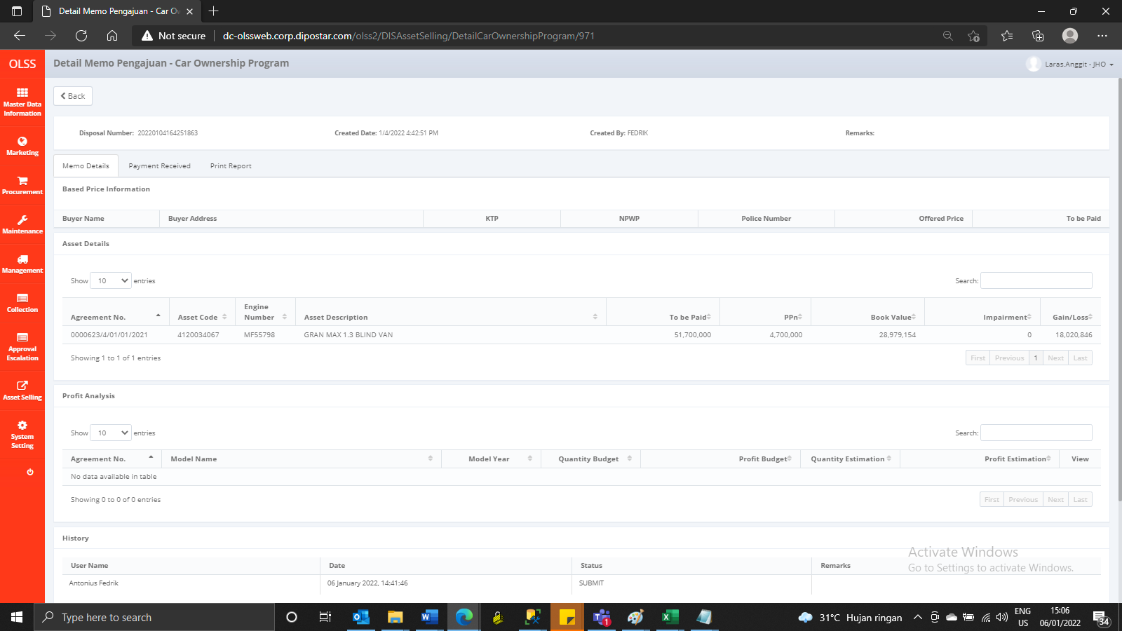
MEMO 00001/COP/01/2022 | MEMO 00002/COP/01/2022
Before | Before



AFTER | After

